DATA DICTIONARY
Column name | Definition
advertiser_region | Region where lift study is conducted
vertical_name | Vertical of of product measured in lift study (CPG, Auto, Retail)
advertiser_country_name | Country where lift study is conducted (full name)
advertiser_country | Country where lift study is conducted (in abbreviation)
ultimate_parent_name | Ultimate brand of the advertiser/product (e.g. Nestle)
advertiser_name | Name of the brand/product measured (sometime similar to ultimate brand name) but sometime specific to the country
client | A more granular name of the product measured (sometime refer to sub brand)
start_date | Study start date
end_date | Study end date
study_name | Name of the study
study_id | FB study_id (only for internal reference)
objective_type | Type of the objective measured (e.g. SALE, NON SALE)
objective_name | Specific name of the objective measrued (e.g. purchase, view content, lead, registration)
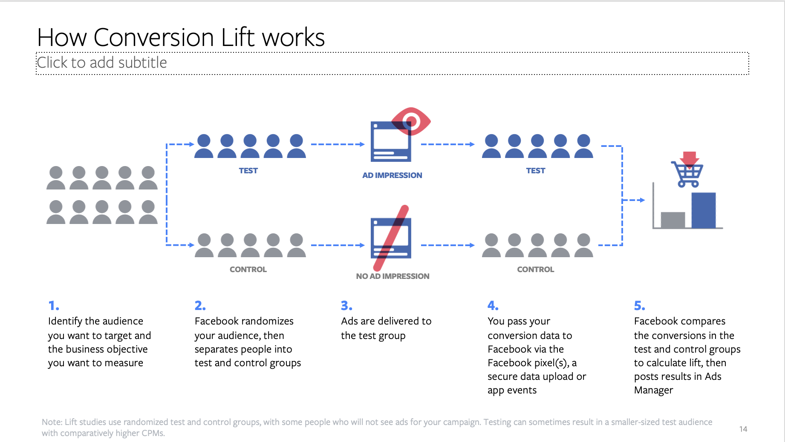
cell_name | Name for each cell of the study (e.g. multi cell study), each cell will share the same study_id
spend | FB campaign investment (USD)
impressions | Campaign impression
frequency | Campaign frequency (across the campaign period)
cost_per_incremental_conversion | Cost per incremental conversion = spend / conversion_incremental
incremental_roas | Incremental ROAS = sales_incremental / spend
population_test | Popluation size of the test group (refered to right picture)
population_control | Population size of the control group (referred to right picture)
population_reached | The population size of the test group where FB ads was actually delivered (sub set of test)
conversions_baseline | No. of conversion (action) from the Control group (has been extrapolated to be comparable to test group)
conversions_reached | No. of conversion (action) from the Test group (among the reached ones)
conversions_incremental | Incremental conversion driven by FB ads = converions_reached - conversions_baseline
conversions_lift | Conversion lift % ~ (converions_reached/conversions_baseline -1)%
conversions_single_cell_bayesian_confidence | Significance level of conversion lift %
sales_baseline | Sale value (USD) from the Control group (has been extrapolated to be comparable to test group)
sales_reached | Sale value (USD) from the Test group (among the reached ones)
sales_incremental | Incremental sales value (USD) driven by FB ads = sales_reached - sales_baeline
sales_lift | Sale ift % ~ (sales_reached/sales_baeline -1)%
sales_single_cell_bayesian_confidence | Significance level of sale lift %
ds | Date in which the data was last updated

